Sheet1
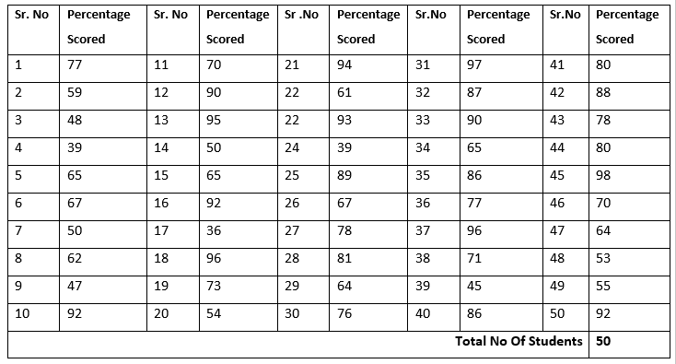

Sr. No | Percentage Scored ( In Percaentage)
1 | 77
2 | 59
3 | 48
4 | 39
5 | 65
6 | 67
7 | 50
8 | 62
9 | 47
10 | 92
11 | 70
12 | 90
13 | 95
14 | 50
15 | 65
16 | 92
17 | 36
18 | 96
19 | 73
20 | 54
21 | 94
22 | 61
23 | 93
24 | 39
25 | 89
26 | 67
27 | 78
28 | 81
29 | 64
30 | 76
31 | 97
32 | 87
33 | 90
34 | 65
35 | 86
36 | 77
37 | 96
38 | 71
39 | 45
40 | 86
41 | 80
42 | 88
43 | 78
44 | 80
45 | 98
46 | 70
47 | 64
48 | 53
49 | 55
50 | 92
SUM | 3627

